Tables and Charts
Average of SqFt | Brick? |  |  | Average of Price | Brick? |  |  | Row Labels | Average of Price | Average of SqFt
Neighborhood | No | Yes | Grand Total | Neighborhood | No | Yes | Grand Total | East | $125,231 | 2,014
East | 2,002 | 2,031 | 2,014 | East | $117,750 | $135,468 | $125,231 | No | $117,750 | 2,002
North | 1,928 | 1,857 | 1,917 | North | $108,584 | $118,457 | $110,155 | Yes | $135,468 | 2,031
West | 2,073 | 2,091 | 2,081 | West | $148,230 | $175,200 | $159,295 | North | $110,155 | 1,917
Grand Total | 1,989 | 2,025 | 2,001 | Grand Total | $121,958 | $147,769 | $130,427 | No | $108,584 | 1,928
 |  |  |  |  |  |  |  | Yes | $118,457 | 1,857
 |  |  |  |  |  |  |  | West | $159,295 | 2,081
 |  |  |  |  |  |  |  | No | $148,230 | 2,073
 |  |  |  |  |  |  |  | Yes | $175,200 | 2,091
Avg. SqFt by Construction and Neighborhood
Avg Price by Construction and Neighborhood
 |  |  |  |  |  |  |  | Grand Total | $130,427 | 2,001

 |  |  |  |  |  |  |  | 1. Develop a categorization of your data using pivot tables. Develop two pivot tables of average price and average square feet by type of construction (brick) and neighborhood (20%)

 |  |  |  |  |  |  |  | Using two basic pivot tables, we are able to see combinations of neighborhood location and construction type and the resulting connection to price and square footage. Note that the column titles indicate whether the construction is brick. The rows indicate the neighborhood.

 |  |  |  |  |  |  |  | Average Price
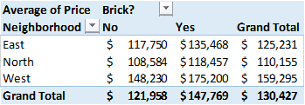

 |  |  |  |  |  |  |  | Average Square Footage
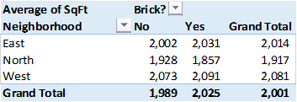

 |  |  |  |  |  |  |  | Based on a cursory look at the tables, it appears that homes built with brick are more expensive than homes made from other types of materials. Also, homes built in the West neighborhoods are both larger and more expensive.

 |  |  |  |  |  |  |  | The below table combines both price and square footage into one pivot table, but this creates challenges when attempting to build a chart.

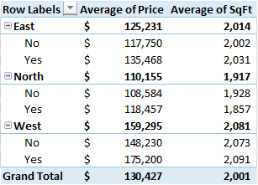

Row Labels | Average of Price | Sum of Offers
No | $121,958 | 231
East | $117,750 | 69
North | $108,584 | 115
West | $148,230 | 47
Yes | $147,769 | 99
East | $135,468 | 46
North | $118,457 | 20
West | $175,200 | 33
Grand Total | $130,427 | 330

Correlation
 | Price | SqFt | Bedrooms | Bathrooms | Offers
Price | 100.0%
SqFt | 55.3% | 100.0%
Bedrooms | 52.6% | 48.4% | 100.0%
Bathrooms | 52.3% | 52.3% | 41.5% | 100.0%
Offers | -31.4% | 33.7% | 11.4% | 14.4% | 100.0%

SqFt vs. Price
 | SqFt
114300 | 1790
114200 | 2030
114800 | 1740
94700 | 1980
119800 | 2130
114600 | 1780
151600 | 1830
150700 | 2160
119200 | 2110
104000 | 1730
132500 | 2030
123000 | 1870
102600 | 1910
126300 | 2150
176800 | 2590
145800 | 1780
147100 | 2190
83600 | 1990
111400 | 1700
167200 | 1920
116200 | 1790
113800 | 2000
91700 | 1690
106100 | 1820
156400 | 2210
149300 | 2290
137000 | 2000
99300 | 1700
69100 | 1600
188000 | 2040
182000 | 2250
112300 | 1930
135000 | 2250
139600 | 2280
117800 | 2000
117100 | 2080
117500 | 1880
147000 | 2420
131300 | 1720
108200 | 1740
106600 | 1560
133600 | 1840
105600 | 1990
154000 | 1920
166500 | 1940
103200 | 1810
129800 | 1990
90300 | 2050
115900 | 1980
107500 | 1700
...

